Data Source Review
Priority | NO. | Type | Name Dataset / Source | Main Use in ClearPath | Approx. Size | Missing fields | Key features | Access Type | Data file name | Local file status | Related dataset | Source URL | Remark
P0 | 1 | Internal | User Reports Database | Real-time accessibility and crowd status | Generated by ClearPath users |  | Elevator broken, Toilet out of order, crowd, protest, queue, status confirmation, auto-expiry | Internal API | No local file - planned internal table/API: user_reports | Not in local folder | Related with most of other datasets |  | Core real-time layer. Store report type, venue/location, timestamp, confirmation count, expiry time, and source confidence. Should be joined with Toilets, accessibility POIs, transit outages, and clinics.
P0 | 2 | Toilet | NYC Public Restrooms i7jb-7jku | Main public Toilet dataset | NY: 1,066 rows Manhattan:358 rows | Capacity | Toilet name, location type, operator, status, opening hours, seasonal opening, ADA accessibility, changing station, latitude/longitude, Restroom Type, Additional Notes, Website | NYC Open Data API + CSV | Public_Restrooms_20260526.csv | Available locally | Directory of Toilets in Public Parks hjae-yuav | https://data.cityofnewyork.us/City-Government/Public-Restrooms/i7jb-7jku/about_data | Main public restroom source. Covers 358 Manhattan facilities in the current extract. Best for restroom availability and ADA/changing-station fields; lacks free/paid, live capacity, and queue information.
P1 | 3 | Toilet | Directory of Toilets in Public Parks hjae-yuav | Public park Toilet supplement | NY: 616 rows Manhattan:129 rows |  | Toilet name, borough, location, open year-round, handicap accessible | NYC Open Data API + CSV | Directory_Of_Toilets_In_Public_Parks_20260526.csv | Available locally | NYC Public Restrooms i7jb-7jku | https://data.cityofnewyork.us/Recreation/Directory-Of-Toilets-In-Public-Parks/hjae-yuav/about_data | Park-restroom supplement. Useful for year-round and handicap-accessible flags, but narrower than NYC Public Restrooms. Consolidate by name/address/location to avoid duplicates. Public Restrooms (358 Manhattan) ∩ Park Toilets (129 Manhattan) = ~37 facilities overlap: 28.7% (Parks), 10.3% (Restrooms) only in Parks: 92 rows onyly in Restrooms: 321 rows
P0 | 6 | Healthcare | OpenStreetMap / Overpass POI | Healthcare facility: clinic, hospital, doctors, pharmacy, urgent care and etc | Manhattan: 900 rows | foot_traffic, ,patient_volume ,wait_time,appointment_count,service_capacity ,staff_count,rating | id, name, healthcare, type amenity, addr:housenumber + addr:street, phone, website, opening_hours, wheelchair, healthcare:speciality | Overpass API / GeoJSON / CSV export | POI_healtcare.geojson | Available locally | N/A | https://overpass-turbo.eu | Broad searchable healthcare POI layer for clinics, pharmacies, doctors, hospitals, and urgent care. Useful for discovery, but tags vary and should be validated against NYS/HRSA/Google Places before user-facing recommendations.
P1 | 4 | Healthcare | NYS Health Facility General Information vn5v-hh5r | home care agency residential care extension clinic other licensed facility | NY: 5,963 rows Manhattan 454 rows |  | Facility name, type, address, operator, location | NY Health Data API + CSV | Health_Facility_General_Information_20260526.csv | Available locally | OpenStreetMap / Overpass POI | https://health.data.ny.gov/Health/Health-Facility-General-Information/vn5v-hh5r/about_data | Broad official healthcare facility registry. Current extract has 454 New York County records. Filter to tourist-accessible categories such as Hospital, Diagnostic and Treatment Center, and extension clinics; many licensed home-care or residential facilities are not relevant for visitors.The Facility Address fields appear to represent the physical location of the healthcare facility, while Operator Address records the operator’s administrative or registration address. Duplicate addresses often reflect multiple licensed entities at the same site rather than exact duplicate records.
P1 | 5 | Healthcare | AED Inventory 2er2-jqsx | Emergency essential service layer | NY: 7,373 rows Manhattan: 3,393 rows |  | AED Location Name Address Floor / Indoor Location AED Count Trained People Count Latitude / Longitude Location Point Location Type Community / Council District Last Updated | NYC Open Data API + CSV | New_York_City_Automated_External_Defibrillator_(AED)_Inventory_20260526.csv | Available locally | N/A | https://data.cityofnewyork.us/Health/New-York-City-Automated-External-Defibrillator-AED/2er2-jqsx/about_data | Official emergency-service POI layer. Current extract has 3,393 Manhattan locations. Key fields include AED count, trained people count, floor/indoor location, location type, coordinates, and last updated.
P0 | 8 | Accessibility | Pedestrian Ramp Locations ufzp-rrqu | Wheelchair routing and ramp support | Manhattan: 23,625 rows |  | Location Geometry Ramp ID Corner ID Borough Ramp Street Intersection Streets Detectable Warning Surface Condition Ramp Slope Ramp Width Obstacles / Ponding | NYC Open Data API + CSV | Pedestrian_Ramp_Locations_20260526.csv | Available locally | OpenStreetMap / Overpass POI | https://data.cityofnewyork.us/Transportation/Pedestrian-Ramp-Locations/ufzp-rrqu/about_data | Official primary ramp dataset for wheelchair routing. Current extract has 23,625 Manhattan ramp points and condition fields such as DWS condition, slope, width, obstacles, and ponding. Does not include AED information.
P1 | 16 | Trafffic | Google map API | route planning by multiple transport | Dynamic query-based API |  | Directions Distance Matrix Elevation Geocoding Maximum Zoom Imagery Street View | API |  | Not in local folder |  | https://console.cloud.google.com/google/maps-apis/api-list?hl=en&project=gen-lang-client-0009128983 | get real-time route planning and estimated transport time through google map api
P2 | 17 | Weather | Weather / NYC Urban Heat Portal | Busyness and health-risk prediction | Time series / geospatial downloads |  | Weather, heat exposure, environmental conditions | API | No local file in data_source - use api.weather.gov and Urban Heat static CSV endpoints | Not in local folder |  | 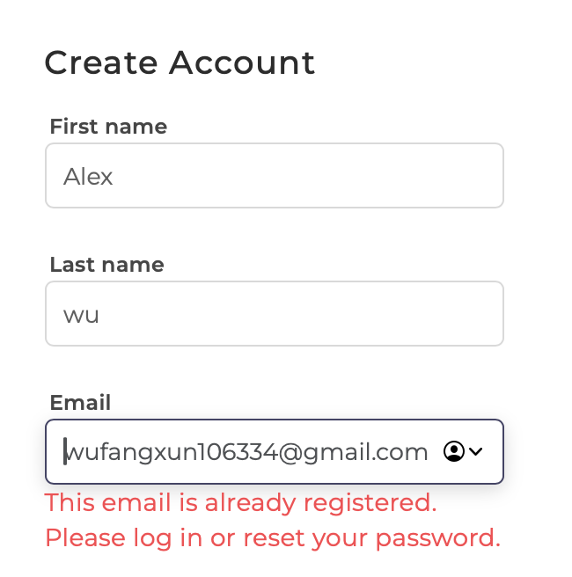 https://api.weather.gov https://urbanheat.nyc/datasets.csv | Use NWS API for current/forecast weather and NYC Urban Heat Portal for static heat-vulnerability layers. Supports route heat risk, outdoor waiting risk, and walking/wheelchair travel penalties.

